Database Structure
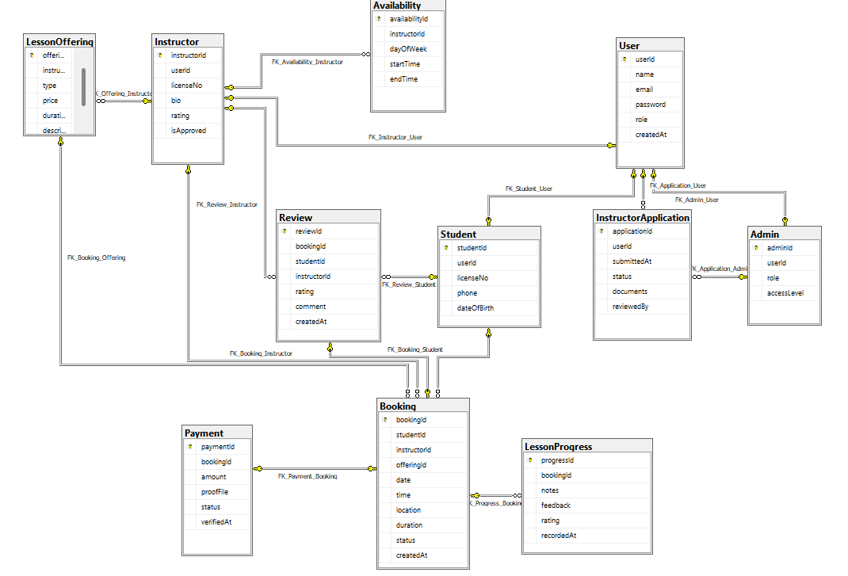
Database Structure
Team Name: | Essential Minds

